Front upper A-arm
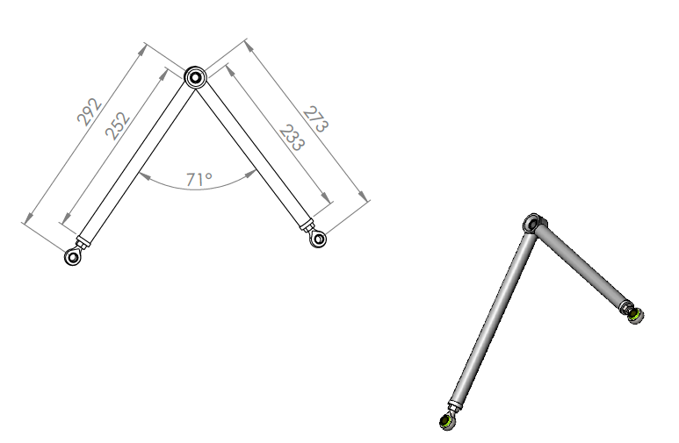
University | Hacettepe University |  | Car # | 106 |  |  | Part Cost | $28.69
System | Suspension, Wheel & Shocks |  |  |  |  |  | Qty | 1
Assembly | Front Double Wishbone Pushrod Assembly
Part | Front upper A-arm |  |  |  |  |  | Total Cost | $28.69
P/N Base | 7001
Suffix | AA
Details

ItemOrder | Material | Use | UnitCost | Size1 | Unit1 | Size2 | Unit2 | Area Name | Area | Length | Density | Quantity | Sub Total
10 | Steel, Alloy (per kg) | Round Profile, Front Upper | $2.25 | 0.18 | kg |  |  | Cylindrical | 0.92 | 25.00 | 0.00780 | 1.00 | $0.40
20 | Steel, Alloy (per kg) | Round Profile, Front Upper | $2.25 | 0.17 | kg |  |  | Cylindrical | 0.92 | 23.33 | 0.00780 | 1.00 | $0.38
30 | Rod End, Aluminum | Bearings | $7.00 | 8 | mm |  |  |  |  |  |  | 2 | $14.00
40 | Bearing Spherical | Inboard | $8.00 | 10 | mm |  |  |  |  |  |  | 1 | $8.00

 |  |  |  |  |  |  |  |  |  |  |  | Sub Total | $22.78

ItemOrder | Process | Use | UnitCost | Unit | Quantity | Multiplier | Mult. Val. | Sub Total
10 | Tube cut | Cut tubes to length | $0.15 | cm | 5.65 |  |  | $0.85
20 | Tube cut | Cut tubes to length | $0.15 | cm | 5.65 |  |  | $0.85
30 | Weld | Bearing cup and inserts to tubes | $0.15 | cm | 4 |  |  | $0.60
40 | Tube end preperation for welding | Clean cut tube ends | $0.75 | end | 2 |  |  | $1.50
50 | Machining | Bearing cup set up | $0.04 | cm^3 | 0.187 |  |  | $0.01
60 | Assemble,1kg, line on line | Press in bearing | $0.13 | unit | 1 |  |  | $0.13
70 | Assemble, 1kg, line on line | Inboard Rod ends | $0.13 | unit | 2 |  |  | $0.26
80 | Reaction tool <= 6.35 | Inboard Nuts | $0.25 | unit | 2 |  |  | $0.50
 |  |  |  |  |  |  | Sub Total | $4.69

ItemOrder | Fastener | Use | UnitCost | Size1 | Unit1 | Size2 | Unit2 | Quantity | Sub Total
10 | Bolt, Grade 8.8 (SAE 5) | Lock nut for the rod end | $0.17 | 6.5 | mm |  |  | 3 | $0.51
20 | Retaining Ring Internal | For spherical bearing | $0.07 | 18 | mm |  |  | 3 | $0.21
 |  |  |  |  |  |  |  | Sub Total | $0.72

ItemOrder | Tooling | Use | UnitCost | Unit | Quantity | PVF | FracIncld | Sub Total
10 | Welds-Welding Fixture | Welding Jigs | $500.00 | point | 1 | 3000 | 3 | $0.50
 |  |  |  |  |  |  | Sub Total | $0.50

Front Lower A-Arm
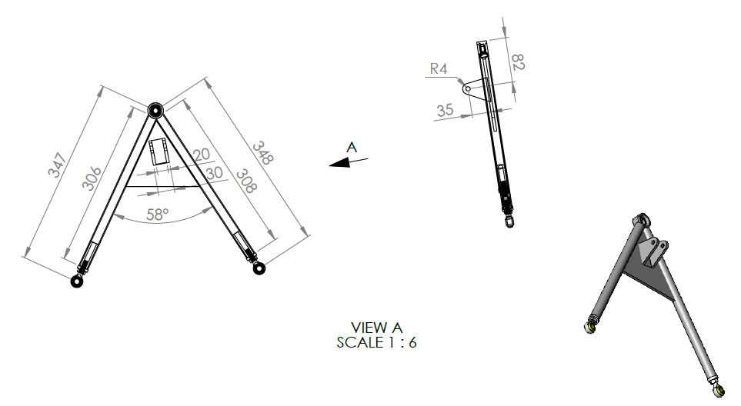
University | Hacettepe University |  | Car # | 106 |  |  | Part Cost | $37.92
System | Suspension, Wheel & Shocks |  |  |  |  |  | Qty | 1
Assembly | Front Double Wishbone Pushrod Assembly
Part | Front Lower A-Arm |  |  |  |  |  | Total Cost | $37.92
P/N Base | 7002
Suffix | AA
Details

ItemOrder | Material | Use | UnitCost | Size1 | Unit1 | Size2 | Unit2 | Area Name | Area | Length | Density | Quantity | Sub Total
10 | Steel, Alloy (per kg) | Round Profile, Front lower | $2.25 | 0.25 | kg |  |  | Cylindrical | 0.92 | 34.70 | 0.00780 | 1 | $0.56
20 | Steel, Alloy (per kg) | Round Profile, Front lower | $2.25 | 0.25 | kg |  |  | Cylindrical | 0.92 | 34.80 | 0.00780 | 1 | $0.56
30 | Rod End, Aluminum | Bearings | $7.00 | 8 | mm |  |  |  |  |  |  | 2 | $14.00
40 | Bearing Spherical | Inboard | $8.00 | 10 | mm |  |  |  |  |  |  | 1 | $8.00
50 | Steel, Alloy (per kg) | Pushrod carrying | $2.25 | 0.01 | kg |  |  | Plate | 1.70 | 0.50 | 0.00780 | 1 | $0.01

 |  |  |  |  |  |  |  |  |  |  |  | Sub Total | $23.13

ItemOrder | Process | Use | UnitCost | Unit | Quantity | Multiplier | Mult. Val. | Sub Total
10 | Tube cut | Cut tubes to length | $0.15 | cm | 5.65 |  |  | $0.85
20 | Tube cut | Cut tubes to length | $0.15 | cm | 5.65 |  |  | $0.85
30 | Weld | Bearing cup and inserts to tubes | $0.15 | cm | 31.4 |  |  | $4.71
40 | Tube end preperation for welding | Clean cut tube ends | $0.75 | end | 2 |  |  | $1.50
50 | Machining | Bearing cup set up | $0.04 | cm^3 | 0.187 |  |  | $0.01
60 | Assemble,1kg, line on line | Press in bearing | $0.13 | unit | 1 |  |  | $0.13
70 | Assemble, 1kg, line on line | Inboard Rod ends | $0.13 | unit | 2 |  |  | $0.26
80 | Reaction tool <= 6.35 | Inboard Nuts | $0.25 | unit | 2 |  |  | $0.50
90 | Sheet Metal Saw Cut | Sheet Materials Shaping | $0.20 | cm | 27.4 |  |  | $5.48
 |  |  |  |  |  |  |  | $-
 |  |  |  |  |  |  |  | $-
 |  |  |  |  |  |  | Sub Total | $14.28

ItemOrder | Fastener | Use | UnitCost | Size1 | Unit1 | Size2 | Unit2 | Quantity | Sub Total

 |  |  |  |  |  |  |  | Sub Total | $-

ItemOrder | Tooling | Use | UnitCost | Unit | Quantity | PVF | FracIncld | Sub Total
10 | Welding | Assemble | $500.00 | point | 1 | 3000 | 3 | $0.50
 |  |  |  |  |  |  | Sub Total | $0.50

Front Pushrod
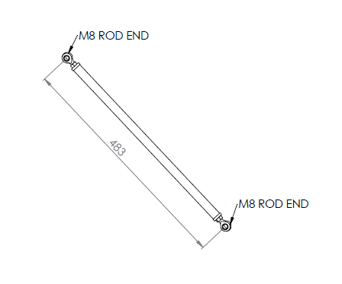
University | Hacettepe University |  | Car # | 106 |  |  | Part Cost | $9.72
System | Suspension, Wheel & Shocks |  |  |  |  |  | Qty | 1
Assembly | Front Double Wishbone Pushrod Assembly
Part | Front Pushrod |  |  |  |  |  | Total Cost | $9.72
P/N Base | 7004
Suffix | AA
Details

ItemOrder | Material | Use | UnitCost | Size1 | Unit1 | Size2 | Unit2 | Area Name | Area | Length | Density | Quantity | Sub Total
10 | Steel Alloy | Pushrod Tube - 18x1.8 tube | $2.25 | 18 | mm | 14.4 | mm | Tube Area | 91.61 | 426 | 7.75 | 1 | $0.68
20 | Steel Alloy | Tubes Insert | $2.25 | 14.4 | mm | 8 | mm | Tube Area | 112.59 | 55 | 7.75 | 2 | $0.22
30 | Rod End, Industrial | Link to Bellcrank/Upright | $1.38 | 8 | mm |  |  |  |  |  |  | 2 | $2.76
 |  |  |  |  |  |  |  |  |  |  |  | Sub Total | $3.66

ItemOrder | Process | Use | UnitCost | Unit | Quantity | Multiplier | Mult. Val. | Sub Total
10 | Drilled Hole | Tubes Insert | $0.35 | hole | 1.00 |  |  | $0.35
20 | Tube Cut | Tubes Insert | $0.15 | cm | 5.65 |  |  | $0.85
30 | Tapping Holes | Tubes Insert | $0.35 | hole | 2.00 |  |  | $0.70
40 | Tube end preperation for welding | Pushrod Tubes | $0.75 | end | 2.00 |  |  | $1.50
50 | Weld - Round Tubing | Pushrod Tubes | $0.38 | cm | 6.28 |  |  | $2.39
 |  |  |  |  |  |  | Sub Total | $5.78

ItemOrder | Fastener | Use | UnitCost | Size1 | Unit1 | Size2 | Unit2 | Quantity | Sub Total
10 | Bolt, Grade 6.8 (SAE 3) and All Grades less than Metric 8.8 |  | $0.14 |  |  |  |  | 2 | $0.28
 |  |  |  |  |  |  |  | Sub Total | $0.28

ItemOrder | Tooling | Use | UnitCost | Unit | Quantity | PVF | FracIncld | Sub Total
 |  |  |  |  |  |  |  | $-
 |  |  |  |  |  |  | Sub Total | $-

Front Bell Crank
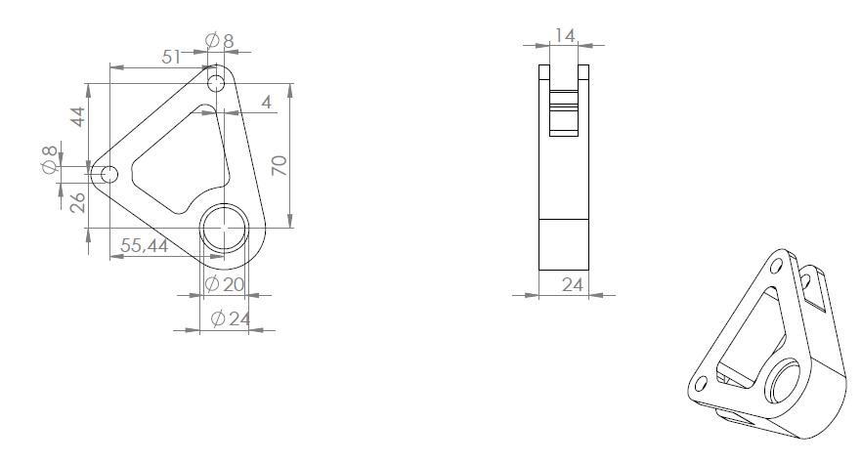
University | Hacettepe University |  | Car # | 106 |  |  | Part Cost | $18.14
System | Suspension, Wheel & Shocks |  |  |  |  |  | Qty | 1
Assembly | Front Double Wishbone Pushrod Assembly
Part | Front Bell Crank |  |  |  |  |  | Total Cost | $18.14
P/N Base | 7005
Suffix | AA
Details

ItemOrder | Material | Use | UnitCost | Size1 | Unit1 | Size2 | Unit2 | Area Name | Area | Length | Density | Quantity | Sub Total
10 | Aluminum, Premium | Main Bell Crank Body | $4.20 | 1 | mm |  |  | Plate Area Needed | 0.84 | 0.3 | 2.81 | 1 | $2.97
20 | Bearing, Needle | Bell Crank Bearing | $5.04 | 20 | mm | 16 | mm |  |  |  |  | 1 | $5.04
30 | Bearing, Thrust Needle Roller, Washers | Bell Crank Bearing trust | $0.48 | 24 | mm | 2 | mm |  |  |  |  | 2 | $0.96
 |  |  |  |  |  |  |  |  |  |  |  | Sub Total | $8.97

ItemOrder | Process | Use | UnitCost | Unit | Quantity | Multiplier | Mult. Val. | Sub Total
10 | Machining | Material Removal | $0.04 | cm^3 | 194.15 |  |  | $7.77
20 | Drilled holes < 25.4 mm dia. | Material Removal | $0.35 | hole | 2 |  |  | $0.70
30 | Drilled hole < 50.8 mm dia. | Material Removal | $0.70 | hole | 1 |  |  | $0.70
 |  |  |  |  |  |  | Sub Total | $9.17

ItemOrder | Fastener | Use | UnitCost | Size1 | Unit1 | Size2 | Unit2 | Quantity | Sub Total

 |  |  |  |  |  |  |  | Sub Total | $-

ItemOrder | Tooling | Use | UnitCost | Unit | Quantity | PVF | FracIncld | Sub Total

 |  |  |  |  |  |  | Sub Total | $-

Rear Upper A-Arm
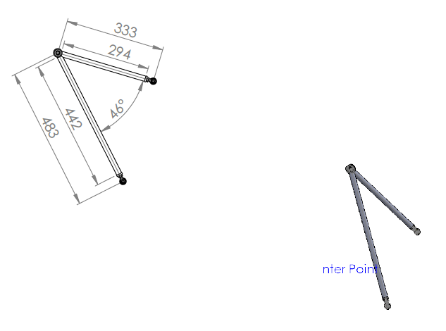
University | Hacettepe University |  | Car # | 106 |  |  | Part Cost | $29.23
System | Suspension, Wheel & Shocks |  |  |  |  |  | Qty | 1
Assembly | Rear Double Wishbone Pushrod Assembly
Part | Rear upper A-arm |  |  |  |  |  | Total Cost | $29.23
P/N Base | 7006
Suffix | AA
Details

ItemOrder | Material | Use | UnitCost | Size1 | Unit1 | Size2 | Unit2 | Area Name | Area | Length | Density | Quantity | Sub Total
10 | Steel, Alloy (per kg) | Round Profile, Rear Upper | $2.25 | 0.35 | kg |  |  | Cylindrical | 0.92 | 48.50 | 0.00780 | 1.00 | $0.78
20 | Steel, Alloy (per kg) | Round Profile, Rear Upper | $2.25 | 0.24 | kg |  |  | Cylindrical | 0.92 | 33.40 | 0.00780 | 1.00 | $0.54
30 | Rod End, Aluminum | Bearings | $7.00 | 8 | mm |  |  |  |  |  |  | 2 | $14.00
40 | Bearing Spherical | Inboard | $8.00 | 10 | mm |  |  |  |  |  |  | 1 | $8.00

 |  |  |  |  |  |  |  |  |  |  |  | Sub Total | $23.32

ItemOrder | Process | Use | UnitCost | Unit | Quantity | Multiplier | Mult. Val. | Sub Total
10 | Tube cut | Cut tubes to length | $0.15 | cm | 5.65 |  |  | $0.85
20 | Tube cut | Cut tubes to length | $0.15 | cm | 5.65 |  |  | $0.85
30 | Weld | Bearing cup and inserts to tubes | $0.15 | cm | 4 |  |  | $0.60
40 | Tube end preperation for welding | Clean cut tube ends | $0.75 | end | 2 |  |  | $1.50
50 | Machining | Bearing cup set up | $0.04 | cm^3 | 0.187 |  |  | $0.01
60 | Assemble,1kg, line on line | Press in bearing | $0.13 | unit | 1 |  |  | $0.13
70 | Assemble, 1kg, line on line | Inboard Rod ends | $0.13 | unit | 2 |  |  | $0.26
80 | Reaction tool <= 6.35 | Inboard Nuts | $0.25 | unit | 2 |  |  | $0.50
 |  |  |  |  |  |  | Sub Total | $4.69

ItemOrder | Fastener | Use | UnitCost | Size1 | Unit1 | Size2 | Unit2 | Quantity | Sub Total
10 | Bolt, Grade 8.8 (SAE 5) | Lock nut for the rod end | $0.17 | 6.5 | mm |  |  | 3 | $0.51
20 | Retaining Ring Internal | For spherical bearing | $0.07 | 18 | mm |  |  | 3 | $0.21
 |  |  |  |  |  |  |  | Sub Total | $0.72

ItemOrder | Tooling | Use | UnitCost | Unit | Quantity | PVF | FracIncld | Sub Total
10 | Welds-Welding Fixture | Welding Jigs | $500.00 | point | 1 | 3000 | 3 | $0.50
 |  |  |  |  |  |  | Sub Total | $0.50

Rear Lower A-Arm
University | Hacettepe University |  | Car # | 106 |  |  | Part Cost | $38.01
System | Suspension, Wheel & Shocks |  |  |  |  |  | Qty | 1
Assembly | Rear Double Wishbone Pushrod Assembly
Part | Rear Lower A-arm |  |  |  |  |  | Total Cost | $38.01
P/N Base | 7007
Suffix | AA
Details

ItemOrder | Material | Use | UnitCost | Size1 | Unit1 | Size2 | Unit2 | Area Name | Area | Length | Density | Quantity | Sub Total
10 | Steel, Alloy (per kg) | Round Profile, Rear lower | $2.25 | 0.30 | kg |  |  | Cylindrical | 0.92 | 41.60 | 0.00780 | 1.00 | $0.67
20 | Steel, Alloy (per kg) | Round Profile, Rear lower | $2.25 | 0.24 | kg |  |  | Cylindrical | 0.92 | 33.90 | 0.00780 | 1.00 | $0.55
30 | Rod End, Aluminum | Bearings | $7.00 | 8 | mm |  |  |  |  |  |  | 2 | $14.00
40 | Bearing Spherical | Inboard | $8.00 | 10 | mm |  |  |  |  |  |  | 1 | $8.00
50 | Steel, Alloy (per kg) | Pushrod carrying | $2.25 | 0.01 | kg |  |  | Plate | 1.70 | 0.50 | 0.00780 | 1 | $0.01
 |  |  |  |  |  |  |  |  |  |  |  | Sub Total | $23.23

ItemOrder | Process | Use | UnitCost | Unit | Quantity | Multiplier | Mult. Val. | Sub Total
10 | Tube cut | Cut tubes to length | $0.15 | cm | 5.65 |  |  | $0.85
20 | Tube cut | Cut tubes to length | $0.15 | cm | 5.65 |  |  | $0.85
30 | Weld | Bearing cup and inserts to tubes | $0.15 | cm | 31.4 |  |  | $4.71
40 | Tube end preperation for welding | Clean cut tube ends | $0.75 | end | 2 |  |  | $1.50
50 | Machining | Bearing cup set up | $0.04 | cm^3 | 0.187 |  |  | $0.01
60 | Assemble,1kg, line on line | Press in bearing | $0.13 | unit | 1 |  |  | $0.13
70 | Assemble, 1kg, line on line | Inboard Rod ends | $0.13 | unit | 2 |  |  | $0.26
80 | Reaction tool <= 6.35 | Inboard Nuts | $0.25 | unit | 2 |  |  | $0.50
90 | Sheet Metal Saw Cut | Sheet Materials shaping | $0.20 | cm | 27.4 |  |  | $5.48
 |  |  |  |  |  |  | Sub Total | $14.28

ItemOrder | Fastener | Use | UnitCost | Size1 | Unit1 | Size2 | Unit2 | Quantity | Sub Total

 |  |  |  |  |  |  |  | Sub Total | $-

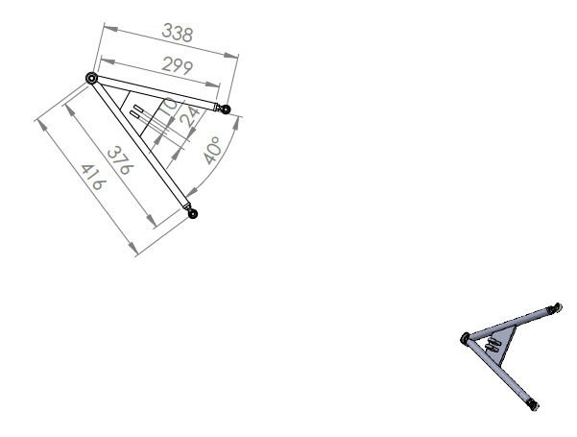
ItemOrder | Tooling | Use | UnitCost | Unit | Quantity | PVF | FracIncld | Sub Total
10 | Welds-Welding Fixture | Welding Jigs | $500.00 | point | 1 | 3000 | 3 | $0.50
 |  |  |  |  |  |  | Sub Total | $0.50

Rear Pushrod
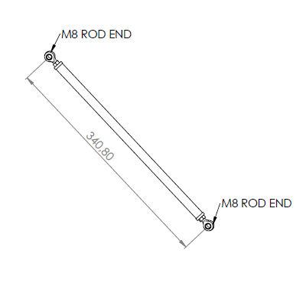
University | Hacettepe University |  | Car # | 106 |  |  | Part Cost | $9.49
System | Suspension, Wheel & Shocks |  |  |  |  |  | Qty | 1
Assembly | Rear Double Wishbone Pushrod Assembly
Part | Rear Pushrod |  |  |  |  |  | Total Cost | $9.49
P/N Base | 7009
Suffix | AA
Details

ItemOrder | Material | Use | UnitCost | Size1 | Unit1 | Size2 | Unit2 | Area Name | Area | Length | Density | Quantity | Sub Total
10 | Steel Alloy | Pushrod Tube - 18x1,8 tube | $2.25 | 18 | mm | 14.4 | mm | Tube Area | 91.61 | 283.84 | 7.75 | 1 | $0.45
20 | Steel Alloy | Tubes Insert | $2.25 | 14 | mm | 8 | mm | Tube Area | 112.59 | 55 | 7.75 | 2 | $0.22
30 | Rod End, Industrial | Link to Bellcrank/Upright | $1.38 | 8 | mm |  |  |  |  |  |  | 2 | $2.76
 |  |  |  |  |  |  |  |  |  |  |  | Sub Total | $3.43

ItemOrder | Process | Use | UnitCost | Unit | Quantity | Multiplier | Mult. Val. | Sub Total
10 | Drilled Hole | Tubes Insert | $0.35 | hole | 1.00 |  |  | $0.35
20 | Tube Cut | Tubes Insert | $0.15 | cm | 5.65 |  |  | $0.85
30 | Tapping Holes | Tubes Insert | $0.35 | hole | 2.00 |  |  | $0.70
40 | Tube end preperation for welding | Pushrod Tubes | $0.75 | end | 2.00 |  |  | $1.50
50 | Weld - Round Tubing | Pushrod Tubes | $0.38 | cm | 6.28 |  |  | $2.39
 |  |  |  |  |  |  | Sub Total | $5.78

ItemOrder | Fastener | Use | UnitCost | Size1 | Unit1 | Size2 | Unit2 | Quantity | Sub Total
10 | Bolt, Grade 6.8 (SAE 3) and All Grades less than Metric 8.8 |  | $0.14 |  |  |  |  | 2 | $0.28
 |  |  |  |  |  |  |  | Sub Total | $0.28

ItemOrder | Tooling | Use | UnitCost | Unit | Quantity | PVF | FracIncld | Sub Total
 |  |  |  |  |  |  |  | $-
 |  |  |  |  |  |  | Sub Total | $-

Rear Bell Crank
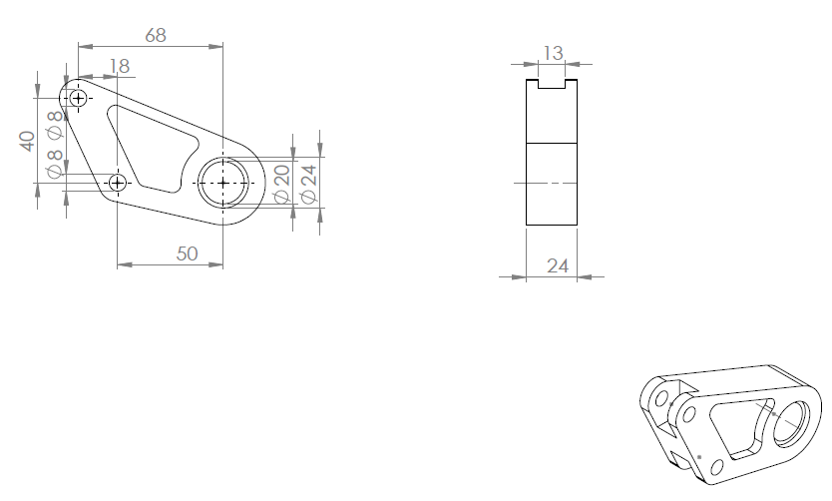
University | Hacettepe University |  | Car # | 106 |  |  | Part Cost | $15.93
System | Suspension, Wheel & Shocks |  |  |  |  |  | Qty | 1
Assembly | Rear Double Wishbone Pushrod Assembly
Part | Rear Bell Crank |  |  |  |  |  | Total Cost | $15.93
P/N Base | 7010
Suffix | AA
Details

ItemOrder | Material | Use | UnitCost | Size1 | Unit1 | Size2 | Unit2 | Area Name | Area | Length | Density | Quantity | Sub Total
10 | Aluminum, Premium | Main Bell Crank Body | $4.20 | 1 | mm |  |  | Plate Area Needed | 0.84 | 0.3 | 2.81 | 1 | $2.97
20 | Bearing, Needle | Bell Crank Bearing | $5.04 | 20 | mm | 16 | mm |  |  |  |  | 1 | $5.04
30 | Bearing, Thrust Needle Roller, Washers | Bell Crank Bearing trust | $0.48 | 24 | mm | 2 | mm |  |  |  |  | 2 | $0.96
 |  |  |  |  |  |  |  |  |  |  |  | Sub Total | $8.97

ItemOrder | Process | Use | UnitCost | Unit | Quantity | Multiplier | Mult. Val. | Sub Total
10 | Machining | Material Removal | $0.04 | cm^3 | 138.92 |  |  | $5.56
20 | Drilled holes < 25.4 mm dia. | Material Removal | $0.35 | hole | 2 |  |  | $0.70
30 | Drilled hole < 50.8 mm dia. | Material Removal | $0.70 | hole | 1 |  |  | $0.70
 |  |  |  |  |  |  | Sub Total | $6.96

ItemOrder | Fastener | Use | UnitCost | Size1 | Unit1 | Size2 | Unit2 | Quantity | Sub Total

 |  |  |  |  |  |  |  | Sub Total | $-

ItemOrder | Tooling | Use | UnitCost | Unit | Quantity | PVF | FracIncld | Sub Total

 |  |  |  |  |  |  | Sub Total | $-

Front Upper Clevis
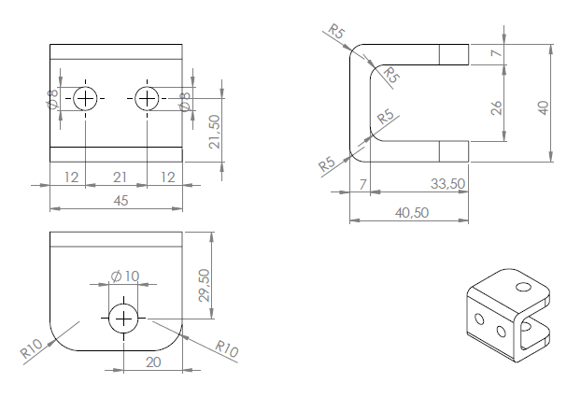
University | Hacettepe University |  | Car # | 106 |  |  | Part Cost | $3.93
System | Suspension, Wheel & Shocks |  |  |  |  |  | Qty | 1
Assembly | Front Uprights Assembly
Part | Front Upper Clevis |  |  |  |  |  | Total Cost | $3.93
P/N Base | 7011
Suffix | AA
Details

ItemOrder | Material | Use | UnitCost | Size1 | Unit1 | Size2 | Unit2 | Area Name | Area | Length | Density | Quantity | Sub Total
10 | Aluminum, Premium | Upper Clevis Body | $4.20 | 1 | dm |  |  | Rectangular | 0.1823 | 0.4 | 2.81 | 1 | $0.86
 |  |  |  |  |  |  |  |  |  |  |  | Sub Total | $0.861

ItemOrder | Process | Use | UnitCost | Unit | Quantity | Multiplier | Mult. Val. | Sub Total
10 | Machining | Material Removal | $0.04 | cm^3 | 41.62 |  |  | $1.66
20 | Drilled holes < 25.4 mm dia. | Material Removal | $0.35 | hole | 4 |  |  | $1.40
 |  |  |  |  |  |  | Sub Total | $3.06

ItemOrder | Fastener | Use | UnitCost | Size1 | Unit1 | Size2 | Unit2 | Quantity | Sub Total

 |  |  |  |  |  |  |  | Sub Total | $-

ItemOrder | Tooling | Use | UnitCost | Unit | Quantity | PVF | FracIncld | Sub Total

 |  |  |  |  |  |  | Sub Total | $-

Front Upright body
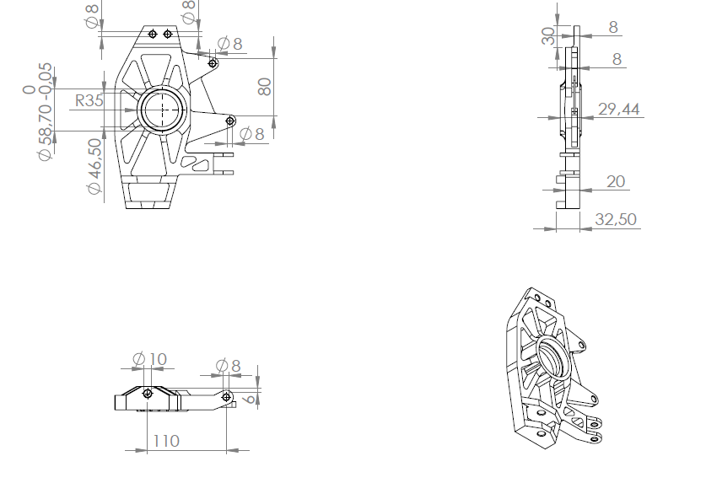
University | Hacettepe University |  | Car # | 106 |  |  | Part Cost | $70.54
System | Suspension, Wheel & Shocks |  |  |  |  |  | Qty | 1
Assembly | Front Uprights Assembly
Part | Front Upright body |  |  |  |  |  | Total Cost | $70.54
P/N Base | 7012
Suffix | AA
Details

ItemOrder | Material | Use | UnitCost | Size1 | Unit1 | Size2 | Unit2 | Area Name | Area | Length | Density | Quantity | Sub Total
10 | Aluminum, Premium | Upright body material | $4.20 | 1 | dm |  |  | Plate Area Needed | 4.34 | 0.35 | 2.81 | 1 | $17.93
 |  |  |  |  |  |  |  |  |  |  |  | Sub Total | $17.93

ItemOrder | Process | Use | UnitCost | Unit | Quantity | Multiplier | Mult. Val. | Sub Total
10 | Machining | Material Removal | $0.04 | cm^3 | 1245.27 |  |  | $49.81
20 | Drilled holes < 25.4 mm dia. | Material Removal | $0.35 | hole | 8 |  |  | $2.80
 |  |  |  |  |  |  | Sub Total | $52.61

ItemOrder | Fastener | Use | UnitCost | Size1 | Unit1 | Size2 | Unit2 | Quantity | Sub Total

 |  |  |  |  |  |  |  | Sub Total | $-

ItemOrder | Tooling | Use | UnitCost | Unit | Quantity | PVF | FracIncld | Sub Total

 |  |  |  |  |  |  | Sub Total | $-

Front Hub
University | Hacettepe University |  |  |  |  |  |  |  | Car # | 106 |  | Part Cost | $76.31
System | Suspension, Wheel & Shocks |  | FileLink1 |  |  |  |  |  |  |  |  | Qty | 1
Assembly | Front Uprights Assembly |  | FileLink2 |  |  |  |  |  | FileLink1
Part | Front Hub |  | FileLink3 |  |  |  |  |  | FileLink2 |  |  | Extended Cost | $76.31
P/N Base | 7013 |  |  |  |  |  |  |  | FileLink3
Suffix | AA
Details

ItemOrder | Material | Use | UnitCost | Size1 | Unit1 | Size2 | Unit2 | Area Name | Area | Length | Density | Quantity | Sub Total
10 | Aluminum, Premium | Front Hub Material | $4.20 | 4.0656 | kg |  |  | cubic | 121 | 12.00 | 0.0028 | 1.00 | $17.08

 |  |  |  |  |  |  |  |  |  |  |  |  | $-
 |  |  |  |  |  |  |  |  |  |  |  |  | $-
 |  |  |  |  |  |  |  |  |  |  |  | Sub Total | $17.08

ItemOrder | Process | Use | UnitCost | Unit | Quantity | Multiplier | Mult. Val. | Sub Total
10 | Machining Setup, Install and remove | CNC Setup 1 | $1.30 | unit | 1 |  |  | $1.30
20 | Machining | Machining | $0.04 | cm^3 | 1304.55 |  |  | $52.18
30 | Drilled holes < 25.4 mm dia. | Stud Holes, Pin holes | $0.35 | hole | 13 |  |  | $4.55
40 | Drilled hole < 50.8 mm dia. |  | $0.70 | hole | 1 |  |  | $0.70
50 | Gear Shaping (hobbing) |  | $0.50 | cm | 1 |  |  | $0.50
 |  |  |  |  |  |  | Sub Total | $59.23

ItemOrder | Fastener | Use | UnitCost | Size1 | Unit1 | Size2 | Unit2 | Quantity | Sub Total
 |  |  |  |  |  |  |  |  | $-
 |  |  |  |  |  |  |  |  | $-
 |  |  |  |  |  |  |  | Sub Total | $-

ItemOrder | Tooling | Use | UnitCost | Unit | Quantity | PVF | FracIncld | Sub Total

 |  |  |  |  |  |  | Sub Total | 0
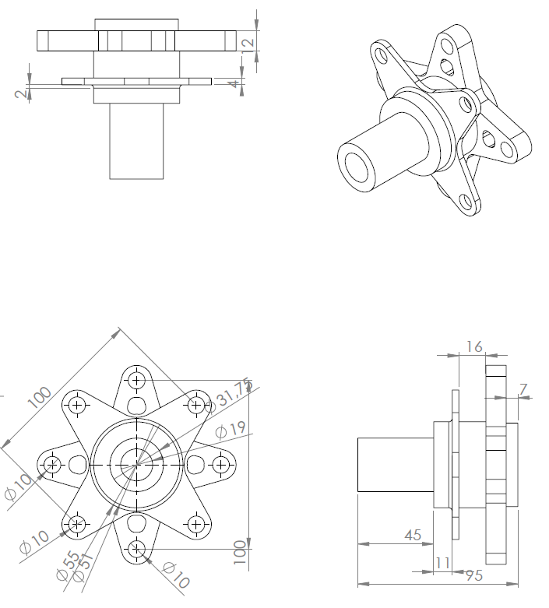

 | #REF! | #REF! | #REF! | #REF! | #REF! | #REF! | #REF!
 | #REF! | #REF! | #REF! | #REF! | #REF! | #REF! | #REF!
#REF! | #REF! | #REF! | #REF! | #REF! | #REF! | #REF! | #REF!
#REF! | #REF! | #REF! | #REF! | #REF! | #REF! | #REF! | #REF!
#REF! | #REF! | #REF! | #REF! | #REF! | #REF! | #REF! | #REF!
#REF! | #REF! | #REF! | #REF! | #REF! | #REF! | #REF! | #REF!
#REF! | #REF! | #REF! | #REF! | #REF! | #REF! | #REF! | #REF!
#REF! | #REF! | #REF! | #REF! | #REF! | #REF! | #REF! | #REF!
#REF! | #REF! | #REF! | #REF! | #REF! | #REF! | #REF! | #REF!
#REF! | #REF! | #REF! | #REF! | #REF! | #REF! | #REF! | #REF!
#REF! | #REF! | #REF! | #REF! | #REF! | #REF! | #REF! | #REF!
#REF! | #REF! | #REF! | #REF! | #REF! | #REF! | #REF! | #REF!
#REF! | #REF! | #REF! | #REF! | #REF! | #REF! | #REF! | #REF!
#REF! | #REF! | #REF! | #REF! | #REF! | #REF! | #REF! | #REF!
#REF! | #REF! | #REF! | #REF! | #REF! | #REF! | #REF! | #REF!
#REF! | #REF! | #REF! | #REF! | #REF! | #REF! | #REF! | #REF!
#REF! | #REF! | #REF! | #REF! | #REF! | #REF! | #REF! | #REF!
#REF! | #REF! | #REF! | #REF! | #REF! | #REF! | #REF! | #REF!
#REF! | #REF! | #REF! | #REF! | #REF! | #REF! | #REF! | #REF!
#REF! | #REF! | #REF! | #REF! | #REF! | #REF! | #REF! | #REF!
#REF! | #REF! | #REF! | #REF! | #REF! | #REF! | #REF! | #REF!
#REF! | #REF! | #REF! | #REF! | #REF! | #REF! | #REF! | #REF!
#REF! | #REF! | #REF! | #REF! | #REF! | #REF! | #REF! | #REF!
#REF! | #REF! | #REF! | #REF! | #REF! | #REF! | #REF! | #REF!
#REF! | #REF! | #REF! | #REF! | #REF! | #REF! | #REF! | #REF!
#REF! | #REF! | #REF! | #REF! | #REF! | #REF! | #REF! | #REF!
#REF! | #REF! | #REF! | #REF! | #REF! | #REF! | #REF! | #REF!
#REF! | #REF! | #REF! | #REF! | #REF! | #REF! | #REF! | #REF!
#REF! | #REF! | #REF! | #REF! | #REF! | #REF! | #REF! | #REF!
#REF! | #REF! | #REF! | #REF! | #REF! | #REF! | #REF! | #REF!
#REF! | #REF! | #REF! | #REF! | #REF! | #REF! | #REF! | #REF!
#REF! | #REF! | #REF! | #REF! | #REF! | #REF! | #REF! | #REF!
#REF! | #REF! | #REF! | #REF! | #REF! | #REF! | #REF! | #REF!
#REF! | #REF! | #REF! | #REF! | #REF! | #REF! | #REF! | #REF!
#REF! | #REF! | #REF! | #REF! | #REF! | #REF! | #REF! | #REF!
#REF! | #REF! | #REF! | #REF! | #REF! | #REF! | #REF! | #REF!
#REF! | #REF! | #REF! | #REF! | #REF! | #REF! | #REF! | #REF!
#REF! | #REF! | #REF! | #REF! | #REF! | #REF! | #REF! | #REF!
#REF! | #REF! | #REF! | #REF! | #REF! | #REF! | #REF! | #REF!
#REF! | #REF! | #REF! | #REF! | #REF! | #REF! | #REF! | #REF!
#REF! | #REF! | #REF! | #REF! | #REF! | #REF! | #REF! | #REF!
#REF! | #REF! | #REF! | #REF! | #REF! | #REF! | #REF! | #REF!
#REF! | #REF! | #REF! | #REF! | #REF! | #REF! | #REF! | #REF!
#REF! | #REF! | #REF! | #REF! | #REF! | #REF! | #REF! | #REF!
#REF! | #REF! | #REF! | #REF! | #REF! | #REF! | #REF! | #REF!
#REF! | #REF! | #REF! | #REF! | #REF! | #REF! | #REF! | #REF!
#REF! | #REF! | #REF! | #REF! | #REF! | #REF! | #REF! | #REF!
#REF! | #REF! | #REF! | #REF! | #REF! | #REF! | #REF! | #REF!
#REF! | #REF! | #REF! | #REF! | #REF! | #REF! | #REF! | #REF!
#REF! | #REF! | #REF! | #REF! | #REF! | #REF! | #REF! | #REF!
#REF! | #REF! | #REF! | #REF! | #REF! | #REF! | #REF! | #REF!
#REF! | #REF! | #REF! | #REF! | #REF! | #REF! | #REF! | #REF!
#REF! | #REF! | #REF! | #REF! | #REF! | #REF! | #REF! | #REF!
#REF! | #REF! | #REF! | #REF! | #REF! | #REF! | #REF! | #REF!
#REF! | #REF! | #REF! | #REF! | #REF! | #REF! | #REF! | #REF!
#REF! | #REF! | #REF! | #REF! | #REF! | #REF! | #REF! | #REF!
#REF! | #REF! | #REF! | #REF! | #REF! | #REF! | #REF! | #REF!
#REF! | #REF! | #REF! | #REF! | #REF! | #REF! | #REF! | #REF!
#REF! | #REF! | #REF! | #REF! | #REF! | #REF! | #REF! | #REF!
#REF! | #REF! | #REF! | #REF! | #REF! | #REF! | #REF! | #REF!
#REF! | #REF! | #REF! | #REF! | #REF! | #REF! | #REF! | #REF!
#REF! | #REF! | #REF! | #REF! | #REF! | #REF! | #REF! | #REF!
#REF! | #REF! | #REF! | #REF! | #REF! | #REF! | #REF! | #REF!
#REF! | #REF! | #REF! | #REF! | #REF! | #REF! | #REF! | #REF!
#REF! | #REF! | #REF! | #REF! | #REF! | #REF! | #REF! | #REF!
#REF! | #REF! | #REF! | #REF! | #REF! | #REF! | #REF! | #REF!
#REF! | #REF! | #REF! | #REF! | #REF! | #REF! | #REF! | #REF!
#REF! | #REF! | #REF! | #REF! | #REF! | #REF! | #REF! | #REF!
#REF! | #REF! | #REF! | #REF! | #REF! | #REF! | #REF! | #REF!
#REF! | #REF! | #REF! | #REF! | #REF! | #REF! | #REF! | #REF!
#REF! | #REF! | #REF! | #REF! | #REF! | #REF! | #REF! | #REF!
#REF! | #REF! | #REF! | #REF! | #REF! | #REF! | #REF! | #REF!
#REF! | #REF! | #REF! | #REF! | #REF! | #REF! | #REF! | #REF!
#REF! | #REF! | #REF! | #REF! | #REF! | #REF! | #REF! | #REF!
#REF! | #REF! | #REF! | #REF! | #REF! | #REF! | #REF! | #REF!
#REF! | #REF! | #REF! | #REF! | #REF! | #REF! | #REF! | #REF!
#REF! | #REF! | #REF! | #REF! | #REF! | #REF! | #REF! | #REF!
#REF! | #REF! | #REF! | #REF! | #REF! | #REF! | #REF! | #REF!
#REF! | #REF! | #REF! | #REF! | #REF! | #REF! | #REF! | #REF!
#REF! | #REF! | #REF! | #REF! | #REF! | #REF! | #REF! | #REF!
#REF! | #REF! | #REF! | #REF! | #REF! | #REF! | #REF! | #REF!
#REF! | #REF! | #REF! | #REF! | #REF! | #REF! | #REF! | #REF!
#REF! | #REF! | #REF! | #REF! | #REF! | #REF! | #REF! | #REF!
#REF! | #REF! | #REF! | #REF! | #REF! | #REF! | #REF! | #REF!
#REF! | #REF! | #REF! | #REF! | #REF! | #REF! | #REF! | #REF!
#REF! | #REF! | #REF! | #REF! | #REF! | #REF! | #REF! | #REF!
#REF! | #REF! | #REF! | #REF! | #REF! | #REF! | #REF! | #REF!
#REF! | #REF! | #REF! | #REF! | #REF! | #REF! | #REF! | #REF!
#REF! | #REF! | #REF! | #REF! | #REF! | #REF! | #REF! | #REF!
#REF! | #REF! | #REF! | #REF! | #REF! | #REF! | #REF! | #REF!
#REF! | #REF! | #REF! | #REF! | #REF! | #REF! | #REF! | #REF!
#REF! | #REF! | #REF! | #REF! | #REF! | #REF! | #REF! | #REF!
#REF! | #REF! | #REF! | #REF! | #REF! | #REF! | #REF! | #REF!
#REF! | #REF! | #REF! | #REF! | #REF! | #REF! | #REF! | #REF!
#REF! | #REF! | #REF! | #REF! | #REF! | #REF! | #REF! | #REF!
#REF! | #REF! | #REF! | #REF! | #REF! | #REF! | #REF! | #REF!
#REF! | #REF! | #REF! | #REF! | #REF! | #REF! | #REF! | #REF!
#REF! | #REF! | #REF! | #REF! | #REF! | #REF! | #REF! | #REF!
#REF! | #REF! | #REF! | #REF! | #REF! | #REF! | #REF! | #REF!
#REF! | #REF! | #REF! | #REF! | #REF! | #REF! | #REF! | #REF!
#REF! | #REF! | #REF! | #REF! | #REF! | #REF! | #REF! | #REF!
#REF! | #REF! | #REF! | #REF! | #REF! | #REF! | #REF! | #REF!
#REF! | #REF! | #REF! | #REF! | #REF! | #REF! | #REF! | #REF!
#REF! | #REF! | #REF! | #REF! | #REF! | #REF! | #REF! | #REF!
#REF! | #REF! | #REF! | #REF! | #REF! | #REF! | #REF! | #REF!
#REF! | #REF! | #REF! | #REF! | #REF! | #REF! | #REF! | #REF!
#REF! | #REF! | #REF! | #REF! | #REF! | #REF! | #REF! | #REF!
#REF! | #REF! | #REF! | #REF! | #REF! | #REF! | #REF! | #REF!
#REF! | #REF! | #REF! | #REF! | #REF! | #REF! | #REF! | #REF!
#REF! | #REF! | #REF! | #REF! | #REF! | #REF! | #REF! | #REF!
#REF! | #REF! | #REF! | #REF! | #REF! | #REF! | #REF! | #REF!
#REF! | #REF! | #REF! | #REF! | #REF! | #REF! | #REF! | #REF!
#REF! | #REF! | #REF! | #REF! | #REF! | #REF! | #REF! | #REF!
#REF! | #REF! | #REF! | #REF! | #REF! | #REF! | #REF! | #REF!
#REF! | #REF! | #REF! | #REF! | #REF! | #REF! | #REF! | #REF!
#REF! | #REF! | #REF! | #REF! | #REF! | #REF! | #REF! | #REF!
#REF! | #REF! | #REF! | #REF! | #REF! | #REF! | #REF! | #REF!
#REF! | #REF! | #REF! | #REF! | #REF! | #REF! | #REF! | #REF!
#REF! | #REF! | #REF! | #REF! | #REF! | #REF! | #REF! | #REF!
#REF! | #REF! | #REF! | #REF! | #REF! | #REF! | #REF! | #REF!
#REF! | #REF! | #REF! | #REF! | #REF! | #REF! | #REF! | #REF!
#REF! | #REF! | #REF! | #REF! | #REF! | #REF! | #REF! | #REF!
#REF! | #REF! | #REF! | #REF! | #REF! | #REF! | #REF! | #REF!
#REF! | #REF! | #REF! | #REF! | #REF! | #REF! | #REF! | #REF!
#REF! | #REF! | #REF! | #REF! | #REF! | #REF! | #REF! | #REF!
#REF! | #REF! | #REF! | #REF! | #REF! | #REF! | #REF! | #REF!
#REF! | #REF! | #REF! | #REF! | #REF! | #REF! | #REF! | #REF!
#REF! | #REF! | #REF! | #REF! | #REF! | #REF! | #REF! | #REF!
#REF! | #REF! | #REF! | #REF! | #REF! | #REF! | #REF! | #REF!
#REF! | #REF! | #REF! | #REF! | #REF! | #REF! | #REF! | #REF!
#REF! | #REF! | #REF! | #REF! | #REF! | #REF! | #REF! | #REF!
#REF! | #REF! | #REF! | #REF! | #REF! | #REF! | #REF! | #REF!
#REF! | #REF! | #REF! | #REF! | #REF! | #REF! | #REF! | #REF!
#REF! | #REF! | #REF! | #REF! | #REF! | #REF! | #REF! | #REF!
#REF! | #REF! | #REF! | #REF! | #REF! | #REF! | #REF! | #REF!
#REF! | #REF! | #REF! | #REF! | #REF! | #REF! | #REF! | #REF!
#REF! | #REF! | #REF! | #REF! | #REF! | #REF! | #REF! | #REF!
#REF! | #REF! | #REF! | #REF! | #REF! | #REF! | #REF! | #REF!
#REF!
#REF!

Rear Upper Clevis
University | Hacettepe University |  | Car # | 106 |  |  | Part Cost | $3.93
System | Suspension, Wheel & Shocks |  |  |  |  |  | Qty | 1
Assembly | Rear Uprights Assembly
Part | Rear Upper Clevis |  |  |  |  |  | Total Cost | $3.93
P/N Base | 7014
Suffix | AA
Details

ItemOrder | Material | Use | UnitCost | Size1 | Unit1 | Size2 | Unit2 | Area Name | Area | Length | Density | Quantity | Sub Total
10 | Aluminum, Premium | Rear Clevis Body | $4.20 | 1 | dm |  |  | Plate Area Needed | 0.1823 | 0.4 | 2.81 | 1 | $0.86
 |  |  |  |  |  |  |  |  |  |  |  | Sub Total | $0.86

ItemOrder | Process | Use | UnitCost | Unit | Quantity | Multiplier | Mult. Val. | Sub Total
10 | Machining | Material Removal | $0.04 | cm^3 | 41.62 |  |  | $1.66
20 | Drilled holes < 25.4 mm dia. | Material Removal | $0.35 | hole | 4 |  |  | $1.40
 |  |  |  |  |  |  | Sub Total | $3.06

ItemOrder | Fastener | Use | UnitCost | Size1 | Unit1 | Size2 | Unit2 | Quantity | Sub Total

 |  |  |  |  |  |  |  | Sub Total | $-

ItemOrder | Tooling | Use | UnitCost | Unit | Quantity | PVF | FracIncld | Sub Total

 |  |  |  |  |  |  | Sub Total | $-

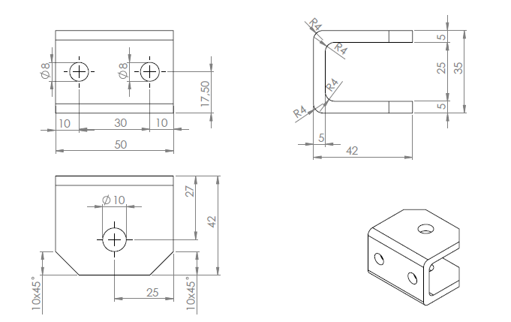

 |  |  | 0

Rear Upright body
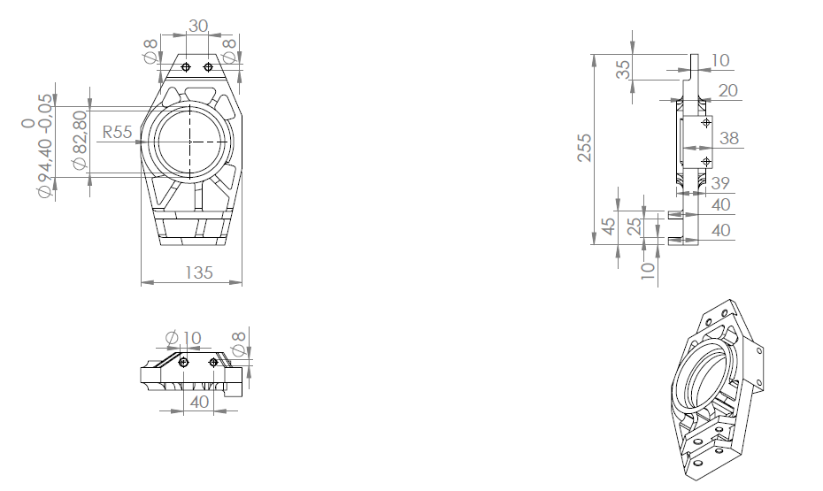
University | Hacettepe University |  | Car # | 106 |  |  | Part Cost | $77.79
System | Suspension, Wheel & Shocks |  |  |  |  |  | Qty | 1
Assembly | Rear Uprights Assembly
Part | Rear Upright body |  |  |  |  |  | Total Cost | $77.79
P/N Base | 7015
Suffix | AA
Details

ItemOrder | Material | Use | UnitCost | Size1 | Unit1 | Size2 | Unit2 | Area Name | Area | Length | Density | Quantity | Sub Total
10 | Aluminum, Premium | Upright body material | $4.20 | 1 | dm |  |  | Plate Area Needed | 3.44 | 0.5 | 2.81 | 1 | $20.30
 |  |  |  |  |  |  |  |  |  |  |  | Sub Total | $20.30

ItemOrder | Process | Use | UnitCost | Unit | Quantity | Multiplier | Mult. Val. | Sub Total
10 | Machining | Material Removal | $0.04 | cm^3 | 1367.2 |  |  | $54.69
20 | Drilled holes < 25.4 mm dia. | Material Removal | $0.35 | hole | 8 |  |  | $2.80
 |  |  |  |  |  |  | Sub Total | $57.49

ItemOrder | Fastener | Use | UnitCost | Size1 | Unit1 | Size2 | Unit2 | Quantity | Sub Total

 |  |  |  |  |  |  |  | Sub Total | $-

ItemOrder | Tooling | Use | UnitCost | Unit | Quantity | PVF | FracIncld | Sub Total

 |  |  |  |  |  |  | Sub Total | $-

Rear Hub
University | Hacettepe University |  |  |  |  |  |  |  | Car # | 106 |  | Part Cost | $96.48
System | Suspension, Wheel & Shocks |  | FileLink1 |  |  |  |  |  |  |  |  | Qty | 1
Assembly | Rear Uprights Assembly |  | FileLink2 |  |  |  |  |  | FileLink1
Part | Rear Hub |  | FileLink3 |  |  |  |  |  | FileLink2 |  |  | Extended Cost | $96.48
P/N Base | 7016 |  |  |  |  |  |  |  | FileLink3
Suffix | AA
Details

ItemOrder | Material | Use | UnitCost | Size1 | Unit1 | Size2 | Unit2 | Area Name | Area | Length | Density | Quantity | Sub Total
10 | Aluminum, Premium | Front Hub Material | $4.20 | 5.2052 | kg |  |  | cubic | 169 | 11.00 | 0.0028 | 1.00 | $21.86
 |  |  |  |  |  |  |  |  |  |  |  | Sub Total | $21.86

ItemOrder | Process | Use | UnitCost | Unit | Quantity | Multiplier | Mult. Val. | Sub Total
10 | Machining Setup, Install and remove | CNC Setup 1 | $1.30 | unit | 1 |  |  | $1.30
20 | Machining | Machining | $0.04 | cm^3 | 1663.0 | Machining | 1 | $66.52
30 | Drilled holes < 25.4 mm dia. | Stud Holes, Pin holes | $0.35 | hole | 16 |  |  | $5.60
40 | Drilled hole < 50.8 mm dia. |  | $0.70 | hole | 1 |  |  | $0.70
50 | Gear Shaping (hobbing) |  | $0.50 | cm | 1 |  |  | $0.50
 |  |  |  |  |  |  |  | $-
 |  |  |  |  |  |  | Sub Total | $74.62

ItemOrder | Fastener | Use | UnitCost | Size1 | Unit1 | Size2 | Unit2 | Quantity | Sub Total
 |  |  |  |  |  |  |  |  | $-
 |  |  |  |  |  |  |  |  | $-
 |  |  |  |  |  |  |  |  | $-
 |  |  |  |  |  |  |  | Sub Total | $-

ItemOrder | Tooling | Use | UnitCost | Unit | Quantity | PVF | FracIncld | Sub Total

 |  |  |  |  |  |  | Sub Total | $-

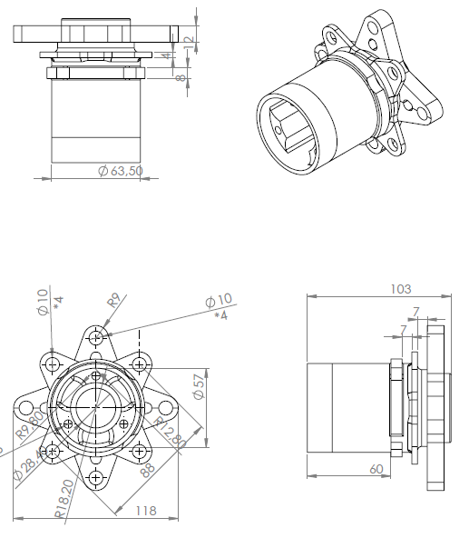

 | #REF! | #REF! | #REF! | #REF! | #REF! | #REF! | #REF!
 | #REF! | #REF! | #REF! | #REF! | #REF! | #REF! | #REF!
#REF! | #REF! | #REF! | #REF! | #REF! | #REF! | #REF! | #REF!
#REF! | #REF! | #REF! | #REF! | #REF! | #REF! | #REF! | #REF!
#REF! | #REF! | #REF! | #REF! | #REF! | #REF! | #REF! | #REF!
#REF! | #REF! | #REF! | #REF! | #REF! | #REF! | #REF! | #REF!
#REF! | #REF! | #REF! | #REF! | #REF! | #REF! | #REF! | #REF!
#REF! | #REF! | #REF! | #REF! | #REF! | #REF! | #REF! | #REF!
#REF! | #REF! | #REF! | #REF! | #REF! | #REF! | #REF! | #REF!
#REF! | #REF! | #REF! | #REF! | #REF! | #REF! | #REF! | #REF!
#REF! | #REF! | #REF! | #REF! | #REF! | #REF! | #REF! | #REF!
#REF! | #REF! | #REF! | #REF! | #REF! | #REF! | #REF! | #REF!
#REF! | #REF! | #REF! | #REF! | #REF! | #REF! | #REF! | #REF!
#REF! | #REF! | #REF! | #REF! | #REF! | #REF! | #REF! | #REF!
#REF! | #REF! | #REF! | #REF! | #REF! | #REF! | #REF! | #REF!
#REF! | #REF! | #REF! | #REF! | #REF! | #REF! | #REF! | #REF!
#REF! | #REF! | #REF! | #REF! | #REF! | #REF! | #REF! | #REF!
#REF! | #REF! | #REF! | #REF! | #REF! | #REF! | #REF! | #REF!
#REF! | #REF! | #REF! | #REF! | #REF! | #REF! | #REF! | #REF!
#REF! | #REF! | #REF! | #REF! | #REF! | #REF! | #REF! | #REF!
#REF! | #REF! | #REF! | #REF! | #REF! | #REF! | #REF! | #REF!
#REF! | #REF! | #REF! | #REF! | #REF! | #REF! | #REF! | #REF!
#REF! | #REF! | #REF! | #REF! | #REF! | #REF! | #REF! | #REF!
#REF! | #REF! | #REF! | #REF! | #REF! | #REF! | #REF! | #REF!
#REF! | #REF! | #REF! | #REF! | #REF! | #REF! | #REF! | #REF!
#REF! | #REF! | #REF! | #REF! | #REF! | #REF! | #REF! | #REF!
#REF! | #REF! | #REF! | #REF! | #REF! | #REF! | #REF! | #REF!
#REF! | #REF! | #REF! | #REF! | #REF! | #REF! | #REF! | #REF!
#REF! | #REF! | #REF! | #REF! | #REF! | #REF! | #REF! | #REF!
#REF! | #REF! | #REF! | #REF! | #REF! | #REF! | #REF! | #REF!
#REF! | #REF! | #REF! | #REF! | #REF! | #REF! | #REF! | #REF!
#REF! | #REF! | #REF! | #REF! | #REF! | #REF! | #REF! | #REF!
#REF! | #REF! | #REF! | #REF! | #REF! | #REF! | #REF! | #REF!
#REF! | #REF! | #REF! | #REF! | #REF! | #REF! | #REF! | #REF!
#REF! | #REF! | #REF! | #REF! | #REF! | #REF! | #REF! | #REF!
#REF! | #REF! | #REF! | #REF! | #REF! | #REF! | #REF! | #REF!
#REF! | #REF! | #REF! | #REF! | #REF! | #REF! | #REF! | #REF!
#REF! | #REF! | #REF! | #REF! | #REF! | #REF! | #REF! | #REF!
#REF! | #REF! | #REF! | #REF! | #REF! | #REF! | #REF! | #REF!
#REF! | #REF! | #REF! | #REF! | #REF! | #REF! | #REF! | #REF!
#REF! | #REF! | #REF! | #REF! | #REF! | #REF! | #REF! | #REF!
#REF! | #REF! | #REF! | #REF! | #REF! | #REF! | #REF! | #REF!
#REF! | #REF! | #REF! | #REF! | #REF! | #REF! | #REF! | #REF!
#REF! | #REF! | #REF! | #REF! | #REF! | #REF! | #REF! | #REF!
#REF! | #REF! | #REF! | #REF! | #REF! | #REF! | #REF! | #REF!
#REF! | #REF! | #REF! | #REF! | #REF! | #REF! | #REF! | #REF!
#REF! | #REF! | #REF! | #REF! | #REF! | #REF! | #REF! | #REF!
#REF! | #REF! | #REF! | #REF! | #REF! | #REF! | #REF! | #REF!
#REF! | #REF! | #REF! | #REF! | #REF! | #REF! | #REF! | #REF!
#REF! | #REF! | #REF! | #REF! | #REF! | #REF! | #REF! | #REF!
#REF! | #REF! | #REF! | #REF! | #REF! | #REF! | #REF! | #REF!
#REF! | #REF! | #REF! | #REF! | #REF! | #REF! | #REF! | #REF!
#REF! | #REF! | #REF! | #REF! | #REF! | #REF! | #REF! | #REF!
#REF! | #REF! | #REF! | #REF! | #REF! | #REF! | #REF! | #REF!
#REF! | #REF! | #REF! | #REF! | #REF! | #REF! | #REF! | #REF!
#REF! | #REF! | #REF! | #REF! | #REF! | #REF! | #REF! | #REF!
#REF! | #REF! | #REF! | #REF! | #REF! | #REF! | #REF! | #REF!
#REF! | #REF! | #REF! | #REF! | #REF! | #REF! | #REF! | #REF!
#REF! | #REF! | #REF! | #REF! | #REF! | #REF! | #REF! | #REF!
#REF! | #REF! | #REF! | #REF! | #REF! | #REF! | #REF! | #REF!
#REF! | #REF! | #REF! | #REF! | #REF! | #REF! | #REF! | #REF!
#REF! | #REF! | #REF! | #REF! | #REF! | #REF! | #REF! | #REF!
#REF! | #REF! | #REF! | #REF! | #REF! | #REF! | #REF! | #REF!
#REF! | #REF! | #REF! | #REF! | #REF! | #REF! | #REF! | #REF!
#REF! | #REF! | #REF! | #REF! | #REF! | #REF! | #REF! | #REF!
#REF! | #REF! | #REF! | #REF! | #REF! | #REF! | #REF! | #REF!
#REF! | #REF! | #REF! | #REF! | #REF! | #REF! | #REF! | #REF!
#REF! | #REF! | #REF! | #REF! | #REF! | #REF! | #REF! | #REF!
#REF! | #REF! | #REF! | #REF! | #REF! | #REF! | #REF! | #REF!
#REF! | #REF! | #REF! | #REF! | #REF! | #REF! | #REF! | #REF!
#REF! | #REF! | #REF! | #REF! | #REF! | #REF! | #REF! | #REF!
#REF! | #REF! | #REF! | #REF! | #REF! | #REF! | #REF! | #REF!
#REF! | #REF! | #REF! | #REF! | #REF! | #REF! | #REF! | #REF!
#REF! | #REF! | #REF! | #REF! | #REF! | #REF! | #REF! | #REF!
#REF! | #REF! | #REF! | #REF! | #REF! | #REF! | #REF! | #REF!
#REF! | #REF! | #REF! | #REF! | #REF! | #REF! | #REF! | #REF!
#REF! | #REF! | #REF! | #REF! | #REF! | #REF! | #REF! | #REF!
#REF! | #REF! | #REF! | #REF! | #REF! | #REF! | #REF! | #REF!
#REF! | #REF! | #REF! | #REF! | #REF! | #REF! | #REF! | #REF!
#REF! | #REF! | #REF! | #REF! | #REF! | #REF! | #REF! | #REF!
#REF! | #REF! | #REF! | #REF! | #REF! | #REF! | #REF! | #REF!
#REF! | #REF! | #REF! | #REF! | #REF! | #REF! | #REF! | #REF!
#REF! | #REF! | #REF! | #REF! | #REF! | #REF! | #REF! | #REF!
#REF! | #REF! | #REF! | #REF! | #REF! | #REF! | #REF! | #REF!
#REF! | #REF! | #REF! | #REF! | #REF! | #REF! | #REF! | #REF!
#REF! | #REF! | #REF! | #REF! | #REF! | #REF! | #REF! | #REF!
#REF! | #REF! | #REF! | #REF! | #REF! | #REF! | #REF! | #REF!
#REF! | #REF! | #REF! | #REF! | #REF! | #REF! | #REF! | #REF!
#REF! | #REF! | #REF! | #REF! | #REF! | #REF! | #REF! | #REF!
#REF! | #REF! | #REF! | #REF! | #REF! | #REF! | #REF! | #REF!
#REF! | #REF! | #REF! | #REF! | #REF! | #REF! | #REF! | #REF!
#REF! | #REF! | #REF! | #REF! | #REF! | #REF! | #REF! | #REF!
#REF! | #REF! | #REF! | #REF! | #REF! | #REF! | #REF! | #REF!
#REF! | #REF! | #REF! | #REF! | #REF! | #REF! | #REF! | #REF!
#REF! | #REF! | #REF! | #REF! | #REF! | #REF! | #REF! | #REF!
#REF! | #REF! | #REF! | #REF! | #REF! | #REF! | #REF! | #REF!
#REF! | #REF! | #REF! | #REF! | #REF! | #REF! | #REF! | #REF!
#REF! | #REF! | #REF! | #REF! | #REF! | #REF! | #REF! | #REF!
#REF! | #REF! | #REF! | #REF! | #REF! | #REF! | #REF! | #REF!
#REF! | #REF! | #REF! | #REF! | #REF! | #REF! | #REF! | #REF!
#REF! | #REF! | #REF! | #REF! | #REF! | #REF! | #REF! | #REF!
#REF! | #REF! | #REF! | #REF! | #REF! | #REF! | #REF! | #REF!
#REF! | #REF! | #REF! | #REF! | #REF! | #REF! | #REF! | #REF!
#REF! | #REF! | #REF! | #REF! | #REF! | #REF! | #REF! | #REF!
#REF! | #REF! | #REF! | #REF! | #REF! | #REF! | #REF! | #REF!
#REF! | #REF! | #REF! | #REF! | #REF! | #REF! | #REF! | #REF!
#REF! | #REF! | #REF! | #REF! | #REF! | #REF! | #REF! | #REF!
#REF! | #REF! | #REF! | #REF! | #REF! | #REF! | #REF! | #REF!
#REF! | #REF! | #REF! | #REF! | #REF! | #REF! | #REF! | #REF!
#REF! | #REF! | #REF! | #REF! | #REF! | #REF! | #REF! | #REF!
#REF! | #REF! | #REF! | #REF! | #REF! | #REF! | #REF! | #REF!
#REF! | #REF! | #REF! | #REF! | #REF! | #REF! | #REF! | #REF!
#REF! | #REF! | #REF! | #REF! | #REF! | #REF! | #REF! | #REF!
#REF! | #REF! | #REF! | #REF! | #REF! | #REF! | #REF! | #REF!
#REF! | #REF! | #REF! | #REF! | #REF! | #REF! | #REF! | #REF!
#REF! | #REF! | #REF! | #REF! | #REF! | #REF! | #REF! | #REF!
#REF! | #REF! | #REF! | #REF! | #REF! | #REF! | #REF! | #REF!
#REF! | #REF! | #REF! | #REF! | #REF! | #REF! | #REF! | #REF!
#REF! | #REF! | #REF! | #REF! | #REF! | #REF! | #REF! | #REF!
#REF! | #REF! | #REF! | #REF! | #REF! | #REF! | #REF! | #REF!
#REF! | #REF! | #REF! | #REF! | #REF! | #REF! | #REF! | #REF!
#REF! | #REF! | #REF! | #REF! | #REF! | #REF! | #REF! | #REF!
#REF! | #REF! | #REF! | #REF! | #REF! | #REF! | #REF! | #REF!
#REF! | #REF! | #REF! | #REF! | #REF! | #REF! | #REF! | #REF!
#REF! | #REF! | #REF! | #REF! | #REF! | #REF! | #REF! | #REF!
#REF! | #REF! | #REF! | #REF! | #REF! | #REF! | #REF! | #REF!
#REF! | #REF! | #REF! | #REF! | #REF! | #REF! | #REF! | #REF!
#REF! | #REF! | #REF! | #REF! | #REF! | #REF! | #REF! | #REF!
#REF! | #REF! | #REF! | #REF! | #REF! | #REF! | #REF! | #REF!
#REF! | #REF! | #REF! | #REF! | #REF! | #REF! | #REF! | #REF!
#REF! | #REF! | #REF! | #REF! | #REF! | #REF! | #REF! | #REF!
#REF! | #REF! | #REF! | #REF! | #REF! | #REF! | #REF! | #REF!
#REF! | #REF! | #REF! | #REF! | #REF! | #REF! | #REF! | #REF!
#REF! | #REF! | #REF! | #REF! | #REF! | #REF! | #REF! | #REF!
#REF! | #REF! | #REF! | #REF! | #REF! | #REF! | #REF! | #REF!
#REF! | #REF! | #REF! | #REF! | #REF! | #REF! | #REF! | #REF!
#REF! | #REF! | #REF! | #REF! | #REF! | #REF! | #REF! | #REF!
#REF! | #REF! | #REF! | #REF! | #REF! | #REF! | #REF! | #REF!
#REF!
#REF!

